DashBoard
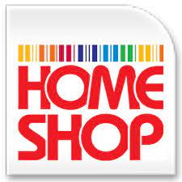
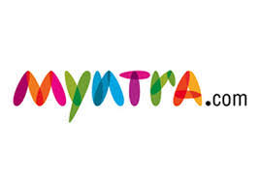
Total Products Sold By Different Channels
 | Total
Ajio | 1763
Amazon | 10086
Flipkart | 6153
Meesho | 1271
Myntra | 6633
Nalli | 1371
Others | 1160
 | Series1
Men | 0.31022963041
Women | 0.68977036959
Online Shopping
Store

Total Number of Dresses Sold
 | Total
Blouse | 206
Bottom | 74
Ethnic Dress | 247
kurta | 9310
Saree | 1267
Set | 11539
Top | 2007
Western Dress | 3787





Total Number of Products Sold Statewise
 | Total
ANDAMAN & NICOBAR | 69
ANDHRA PRADESH | 1270
ARUNACHAL PRADESH | 43
ASSAM | 431
BIHAR | 539
CHANDIGARH | 85
CHHATTISGARH | 225
DADRA AND NAGAR | 21
DELHI | 1695
GOA | 275
GUJARAT | 946
HARYANA | 1026
HIMACHAL PRADESH | 184
JAMMU & KASHMIR | 195
JHARKHAND | 330
KARNATAKA | 3668
KERALA | 1418
LADAKH | 16
MADHYA PRADESH | 702
MAHARASHTRA | 4152
MANIPUR | 89
MEGHALAYA | 37
MIZORAM | 18
NAGALAND | 51
New Delhi | 9
ODISHA | 524
PUDUCHERRY | 69
PUNJAB | 464
RAJASTHAN | 686
SIKKIM | 66
TAMIL NADU | 2430
TELANGANA | 2287
TRIPURA | 40
UTTAR PRADESH | 2669
UTTARAKHAND | 417
WEST BENGAL | 1291

